Contribution in-kind
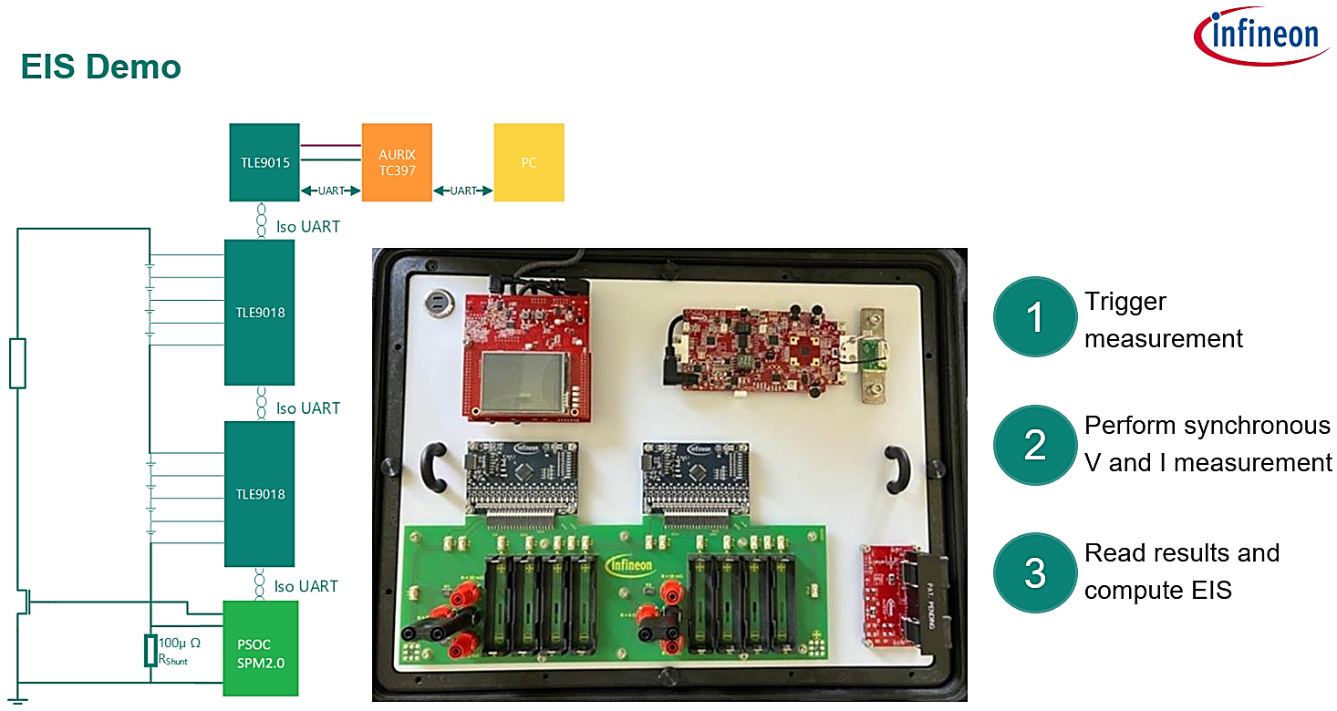
Contribution in-kind (breakdown):
Item | Cost (S$)
EIS demo (consisting of 1x AURIX TFT kit with PSOC-4 SPM, 2x TLE9018 evaluation board) | 10,000
Knowledge transfer on the project (1 x E1 BMS training - 10hrs , 1x EIS demo training - 21 hrs) - Total 31 hrs | 3100

